Summary
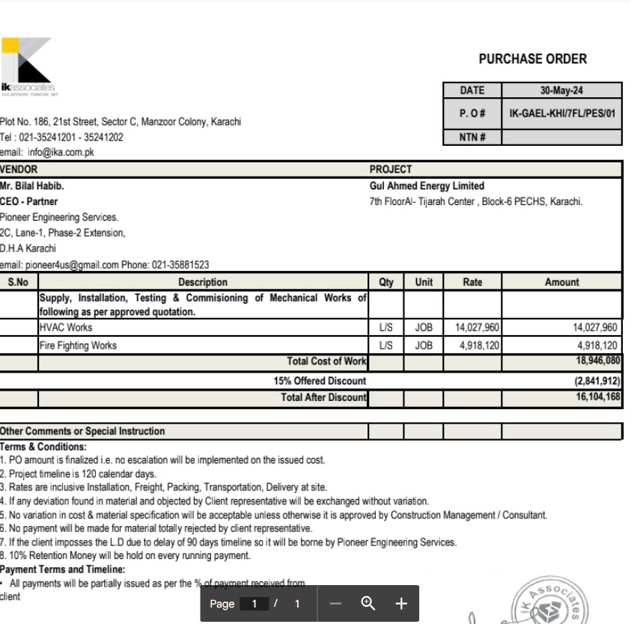

HVAC & Fire Fighting Works |  |  |  | 23-Dec-24

GUL AHMED ENERGY LIMITED
PHASE # 2 7TH FLOOR, AL-TIJARAH CENTER KARACHI

SUMMARY OF RUNNING BILL NO 3

S.No | Description | Material | Labour | Amount

1 | HVAC Work | 9,770,431 | 1,899,921 | 11,670,352
2 | Fire Fighting | 2,651,624 | 405,663 | 3,057,287

3 | 05 Nos Vairation amount | - | - | 4,965,180

 | Grand Total Amount |  |  | 19,692,819

